LOT 1 Spec Pricing Sechedule
Lot 1 Nursing Skills Demonstration Equipment for Kerry College Denny Street Campus |  |  | To Match Existing Equipment Must be Equal or Better |  |  | To be completed by Tenderer/ Supplier
Kerry ETB Reference | Number Required | Description/ Specification | Potential Make / Model | Image of Item Required | Min Standard/ Specification | Supplier Product Description or weblink to product to confirm specification | Supplier can Supply Mark with X | Manufacturing Standard - Please tick to confirm that each item is rated to NSAI required standards and bears the Irish standard mark or the EU standard | Price per unit Excl. VAT € | Total Price
KETB Lot 1 001 | 1 | ICU Bed | Hill Rom 100 Low LTC Bed |  | Relevent European Standard |  |  |  | €0.00 | €0.00
KETB Lot 1 002 | 4 | Bed Side Lockers | Edison CH700B Cabinet |  | Relevent European Standard |  |  |  | €0.00 | €0.00
KETB Lot 1 003 | 1 | Air Mattress with compressor to fit whichever bed is purchased | DYNAMIC - Medguard Caithness 27 Cell on Foam Mattress with Digital Pump | 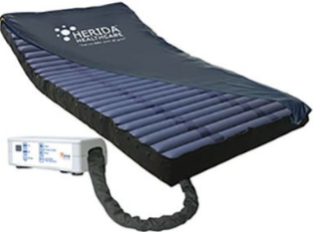 | Relevent European Standard |  |  |  | €0.00 | €0.00
KETB Lot 1 004 | 1 | Large Linen MRSA Resistance Coated Bed Changing Trolley |  | 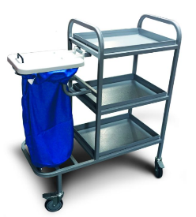 | Relevent European Standard |  |  |  | €0.00 | €0.00
KETB Lot 1 005 | 2 | Orthapedic High Back Chair | Vinyl Black High back arm chair with deluxe beech frame upholstered seating with deep foam padded seat and back for optimum comfort. | 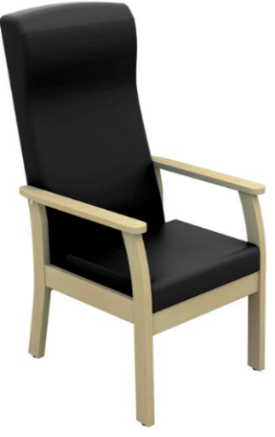 | Relevent European Standard |  |  |  | €0.00 | €0.00
KETB Lot 1 006 | 2 | Omron 907 All in One Digital BP Monitor with Mobile Stand | SKU OMRON907W/STAND-KIT |  | Relevent European Standard |  |  |  | €0.00 | €0.00
KETB Lot 1 007 | 3 | Sphygmomanometer (BP Unit) | ERKA Vario Dsk Aneroid Sphyg with Adult Washable Velcro Cuff | 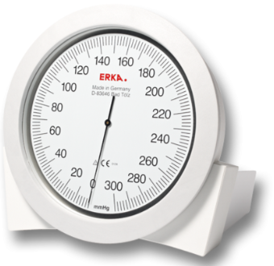 | Relevent European Standard |  |  |  | €0.00 | €0.00
KETB Lot 1 008 | 3 | Sphygmomanometer (BP Unit) Wall mounting bracket Only | 295.00.003 - Erka Vario Sphyg Wall Mounting Bracket ONLY | 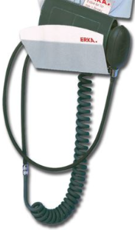 | Relevent European Standard |  |  |  | €0.00 | €0.00
KETB Lot 1 009 | 6 | Sphygmomanometer on wheels | Dallas Sphygmomanometer on stainless steel trolley with 5 castors |  | Relevent European Standard |  |  |  | €0.00 | €0.00
KETB Lot 1 010 | 2 | Training Toilet with Raised Seat & Grab Rails | Prima Toilet Seat |  | Relevent European Standard |  |  |  | €0.00 | €0.00
KETB Lot 1 011 | 3 | Bananna Board Samarit Curved Banana Sitting Transfer Board 130kg |  | 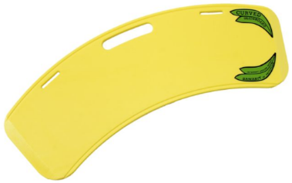 | Relevent European Standard |  |  |  | €0.00 | €0.00
KETB Lot 1 012 | 1 | Nursing Anne Manikin Light - SimPad Capable nursing simulator, including Training to use, Warrenty, and updates for Software & Licences | Laerdal LAE 325-05050 to include LAE204-50150 & LAE 204-30103. |  | Relevent European Standard |  |  |  | €0.00 | €0.00
KETB Lot 1 0013 | 8 | Resusci Anne - QCPR AED with Shocklink and Airway Head, including Training to use, Warrenty, and updates for Software & Licences Kit Number 174-00160-SL | Kit Number 174-00160-SL |  | Relevent European Standard |  |  |  | €0.00 | €0.00
KETB Lot 1 0014 | 1 | Resusci Anne Simulator Aed link -IV Left arm with Simpad and LLEAP and software and controller 150-22000/204-30103/204-50150 at €13800 each | Aed link -IV Left arm with Simpad and LLEAP and software and controller Laerdal 150-22000/204-30103/204-50150 at €13800 each |  | Relevent European Standard |  |  |  | €0.00 | €0.00
KETB Lot 1 0015 | 4 | Child CPR Manakin | Resusci Junior QCPR 181-00150 |  | Relevent European Standard |  |  |  | €0.00 | €0.00
KETB Lot 1 0016 | 1 | Baby CPR Manakin | Resusci Baby QCPR 181-00150 |  | Relevent European Standard |  |  |  | €0.00 | €0.00
KETB Lot 1 0017 | 1 | Tablet-PC | LAE 400-09203 -Tablet PC |  | Relevent European Standard |  |  |  | €0.00 | €0.00
KETB Lot 1 0018 | 3 | SIMPad Headsets | Laerdal LAE 200 30950 |  | Relevent European Standard |  |  |  | €0.00 | €0.00
KETB Lot 1 0019 | 20 | Skillguides for manikins |  |  | Relevent European Standard |  |  |  | €0.00 | €0.00
KETB Lot 1 0020 | 1 | Prompt Flex Birthing Simulator to include Tablet | Advanced |  | Relevent European Standard |  |  |  | €0.00 | €0.00
KETB Lot 1 0021 | 5 | Manikin replacement airways |  |  | Relevent European Standard |  |  |  | €0.00 | €0.00
KETB Lot 1 0022 | 1 | 0.75m (30") Simulated Headwall Non-functioning |  |  | Relevent European Standard |  |  |  | €0.00 | €0.00
KETB Lot 1 0023 | 1 | Human Skeleton - Model Sam with Muscles & Ligaments - Pelvic Mounted |  |  | Relevent European Standard |  |  |  | €0.00 | €0.00

TOTAL AMOUNT FOR ULTIMATE COST EVALUATION |  |  |  |  |  |  |  |  |  | €0.00

