Sheet1
Volume C- Pricing Document

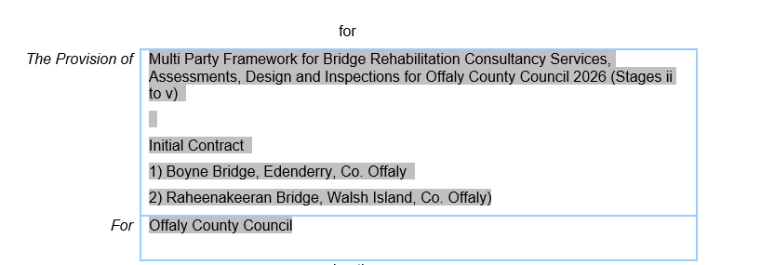

Tenderers are required to provide a detailed breakdown of the Fixed Price Lump Sum Fee by completing the following information in respect of each of the named personnel proposed to deliver the services.

The rates and hours supplied by tenderers will be deemed as the Fixed Price Lump Sum Costs for the provision of Design Services Stages ii to v for each Bridge Listed Below

Section A | Vol C - Section A - Fixed Price Lump Sum Fee for Design Services Stages ii to v for Boyne Bridge, Edenderry, Co. Offaly

 | Enter Company Name Here: XXXXXXXXXXXXXXXXXXXXXXXXXXXX

 | Personnel Name (Insert Names) | Role for this Project | Stages ii to v

 |  |  | Duration - 6 months (Estimated)

 |  |  | No. of Hours | Hourly Rate € Ex Vat | Sub-Total Cost € Ex Vat | % Time
 |  | Project Director | 0 | €- | €- | #DIV/0!
 |  | Project Manager | 0 | €- | €- | #DIV/0!
 |  | Project Engineer | 0 | €- | €- | #DIV/0!
 |  | Senior Bridge Design Engineer | 0 | €- | €- | #DIV/0!
 |  | Bridge Design Engineer | 0 | €- | €- | #DIV/0!
 |  | Geotechnical Engineer | 0 | €- | €- | #DIV/0!
 |  | Design Technician | 0 | €- | €- | #DIV/0!
 |  | Project Supervsor Design Process (PSDP) | 0 | €- | €- | #DIV/0!
 |  | Sub-Total | 0 |  | €- | #DIV/0!

 |  | Section A - Fixed Price Lump Sum Fee € Ex Vat | €-

Section B | Vol C - Section B - Fixed Price Lump Sum Fee for Design Services Stages ii to v for Raheenakeeran Bridge, Walsh Island, , Co. Offaly

 | Enter Company Name Here: XXXXXXXXXXXXXXXXXXXXXXXXXXXX

 | Personnel Name (Insert Names) | Role for this Project | Stages ii to v

 |  |  | Duration - 6 months (Estimated)

 |  |  | No. of Hours | Hourly Rate € Ex Vat | Sub-Total Cost € Ex Vat | % Time
 |  | Project Director | 0 | €- | €- | #DIV/0!
 |  | Project Manager | 0 | €- | €- | #DIV/0!
 |  | Project Engineer | 0 | €- | €- | #DIV/0!
 |  | Senior Bridge Design Engineer | 0 | €- | €- | #DIV/0!
 |  | Bridge Design Engineer | 0 | €- | €- | #DIV/0!
 |  | Geotechnical Engineer | 0 | €- | €- | #DIV/0!
 |  | Design Technician | 0 | €- | €- | #DIV/0!
 |  | Project Supervsor Design Process (PSDP) | 0 | €- | €- | #DIV/0!
 |  | Sub-Total | 0 |  | €- | #DIV/0!

 |  | Section B - Fixed Price Lump Sum Fee € Ex Vat | €-

Section A + B | Total Fixed Price Lump Sum Fee for Boyne Bridge Edenderry (Vol C - Section A) + Raheenakeeran, Walsh Island (Vol C - Section B) € Ex Vat |  | €- |  | Lump Sum Tender Fee

Section C | Notional Hours as Per Section 9 ( c) i of Instructions to Tenderers

 | Please Insert Company Name Here: XXXXXXXXXXXXXXXXXXXXXXXX
 | Item No | Professional Team Member Grade | Notational Hours | Rate/ hr € Ex Vat | Total € Ex Vat
 | 1 | Project Director | 5 | €- | €-
 | 2 | Project Manager | 5 | €- | €-
 | 3 | Project Engineer | 8 | €- | €-
 | 4 | Senior Bridge Design Engineer | 10 | €- | €-
 | 5 | Bridge Design Engineer | 25 | €- | €-
 | 6 | Geotechnical Engineer | 10 | €- | €-
 | 7 | Design Technician | 30 | €- | €-
 | 8 | Project Supervsor Design Process (PSDP) | 15 | €- | €-
 |  |  |  | Total € Ex Vat | €-

Note: 1. A description of what is meant by each Grade is set out in the Particulars in Volume 1 Instructions to Tenderers. 2. The Content of this Schedule does not give any right to an adjustment or variation of the fixed fee lump sum set out at Schedule B of the Conditions of Engagement. 3. The Tendered hourly rates are deemed to include for profit and for all costs associated with staff as set out in section 5.5 in Volume 1 Instructions to Tenderers. Consequently, additional charges must not be included in the breakdown of the Lumpsum. 4. Tenderers must guarantee that the above staff shall be fully available for delivery of the services identified, and that any proposed change to the assigned staff will be agreed in writing with the CA. In this case details of replacement staff must be made known to the CA. 5. Tenderers are requested to visit the Bridge Locations to familiarise themselves with the extents of services required at each Bridge prior to submitting a tender.

