SUMMARY
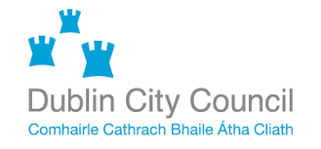
 | DO NOT CHANGE THE FORMAT OF THIS DOCUMENT
Project | DCC Single Party Framework Agreement for the Maintenance and Support of the existing Sydney Coordinated Adaptive Traffic System installation
Document | Pricing Schedule
Number | DCC25032 PS

Issue date | 18-May-26 | Tenderer Name
Revision | 1.0 | Tenderer Contact

SUMMARY
Item | System type | Non Evaluated Cost EX VAT | Total Cost EX VAT

1 | Annual Maintenance Cost |  | € -

2 | Total Notional Day Rates Cost | € - | N/A

3 | Optional Costs |  | € -

4 | Arrears Maintenance Cost from 01/1202025 to 30/06/2026 | € - | N/A

 | Ultimate Cost EX VAT |  | € -

*NOTE: Item 2 are notional costs for information purposes only and are not considered for evaluation of the Ulitmate Cost Criterion.

*NOTE: Item 4 are for information purposes only and are not considered for evaluation of the Ultimate Cost Criterion.

*NOTE: The tenderer must addend a fully costed breakdown of each line item, where appropriate.

