Readme
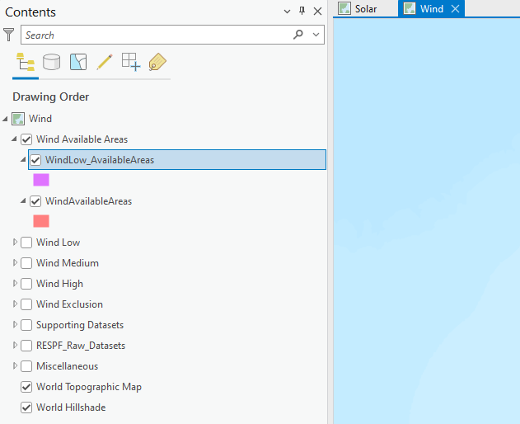
This Data Register is provided with the project package: IE000528_Client_Database_RESPF_All.ppkx. The project package can be opened using ESRI ArcGIS Pro software. When unpackaged an ArcGIS Pro project will open containing data linked to geodatabases as described below and in subsequent tabs in this Workbook.
Item | Description
IE000528_Client_Database_RESPF_All.aprx | The unpacked ArcGIS Pro project file. This project contains two maps - one for Wind and one for Solar (see image to the right). The data is arranged in groups in the Contents table, as described in the following tables.
Wind map /tab
GIS Group Name | Description
Wind Availabe Areas | The modelled output for Wind, see sheet 'Wind Available Areas' for more details and containing dataset location (i.e. geodatabase name/feature dataset name). The 'Methodology' and 'Criteria' sheets give a high level overview of the outputs and the datasets used to create the outputs.
Wind Exclusion | The datasets excluded in the Wind model. See sheet 'Wind Spatial Constraints' for more details and dataset location (i.e. geodatabase name/feature dataset name).
Wind High / Wind Medium / Wind Low | The datasets assigned sensitivity category High, Medium or Low in the Wind model. See sheet 'Wind Spatial Constraints' for more details and dataset location (i.e. geodatabase name/feature dataset name).
Supporting Datasets | Additional dataset provided to assist in understanding of the output, See sheet 'Wind Spatial Constraints' for more details and dataset location (i.e. geodatabase name/feature dataset name).
RESPF_Raw_Datasets | The original datasets used in the modelling. See sheet 'Raw Datasets' for more details and dataset location (i.e. geodatabase name/feature dataset name).
Miscellaneous | Alternative datasets recommended for use in the RRES Methodology, following a review of recent publications and guidance. See sheet 'Raw Datasets' for more details and dataset location (i.e. geodatabase name/feature dataset name).
Solar map /tab
GIS Group Name | Description
Solar Availabe Areas | The modelled output for Solar, see sheet 'Solar Available Areas' for more details and containing dataset location (i.e. geodatabase name/feature dataset name). The 'Methodology' and 'Criteria' sheets give a high level overview of the outputs and the datasets used to create the outputs.
Solar Exclusion | The datasets excluded in the Solar model. See sheet 'Solar Spatial Constraints' for more details and dataset location (i.e. geodatabase name/feature dataset name).
Solar High / Solar Medium / Solar Low | The datasets assigned sensitivity category High, Medium or Low in the Solar model. See sheet 'Solar Spatial Constraints' for more details and dataset location (i.e. geodatabase name/feature dataset name).
Supporting Datasets | Additional dataset provided to assist in understanding of the output, See sheet 'Solar Spatial Constraints' for more details and dataset location (i.e. geodatabase name/feature dataset name).
RESPF_Raw_Datasets | The original datasets used in the modelling. See sheet 'Raw Datasets' for more details and dataset location (i.e. geodatabase name/feature dataset name).
Miscellaneous | Alternative datasets recommended for use in the RRES Methodology, following a review of recent publications and guidance. See sheet 'Raw Datasets' for more details and dataset location (i.e. geodatabase name/feature dataset name).

Methodology
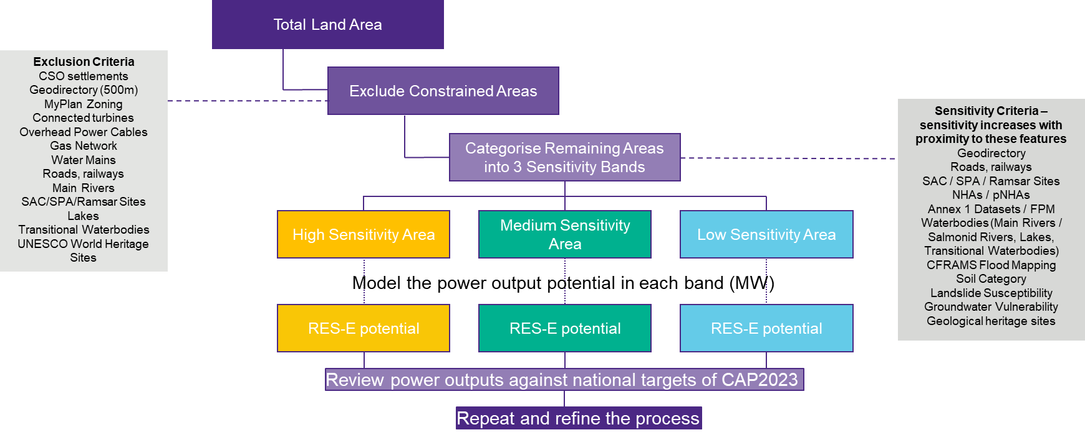
Methodology for geospatial analysis; Please refer to Criteria sheet to see the features and their buffers that were considered for exlcusion criteria and each sensitivity band.

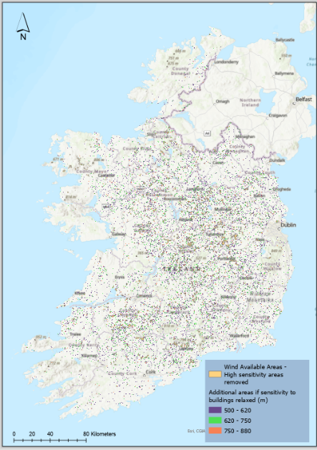
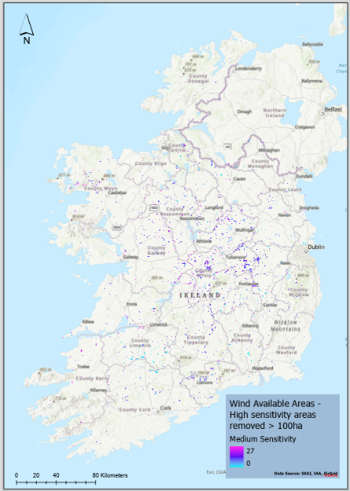
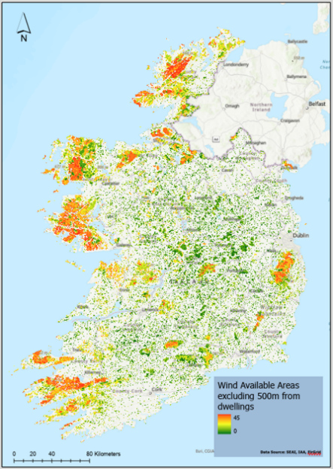
Excerpts from technical assessment for wind energy, showing (L-R) all sensitivity areas, medium and low sensitivity areas, and a variation combining low, medium and some specific high sensitivity areas closer to dwellings.

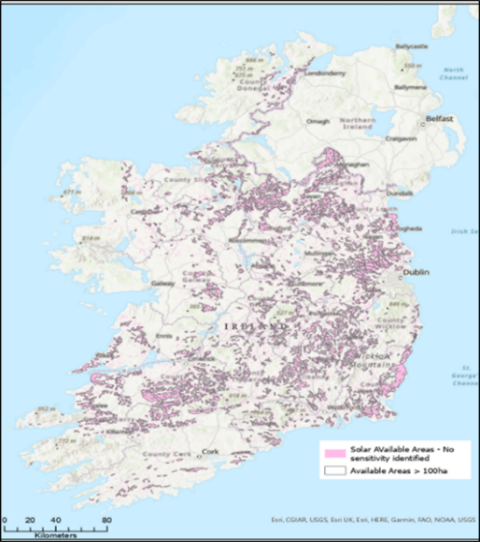
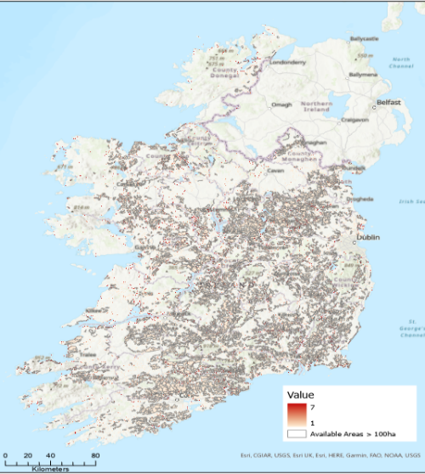
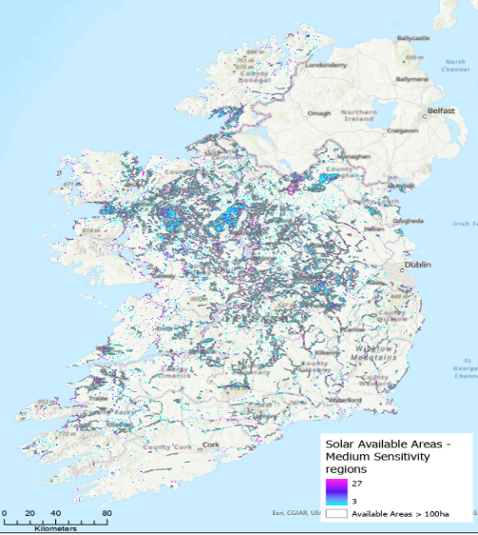
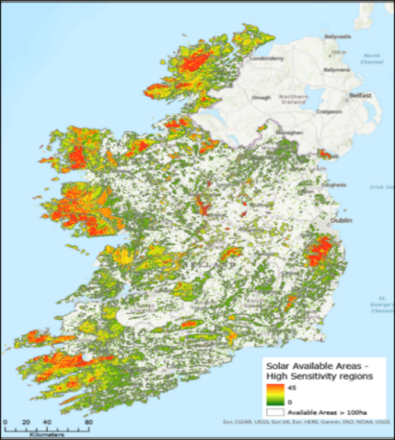
Excerpts from technical assessment, showing (L-R) high, medium, low and no sensitivity areas for solar energy. Areas of "no sensitivity" are defined as those remaining after exclusions and the other three sensitivity areas are removed.

