Price template
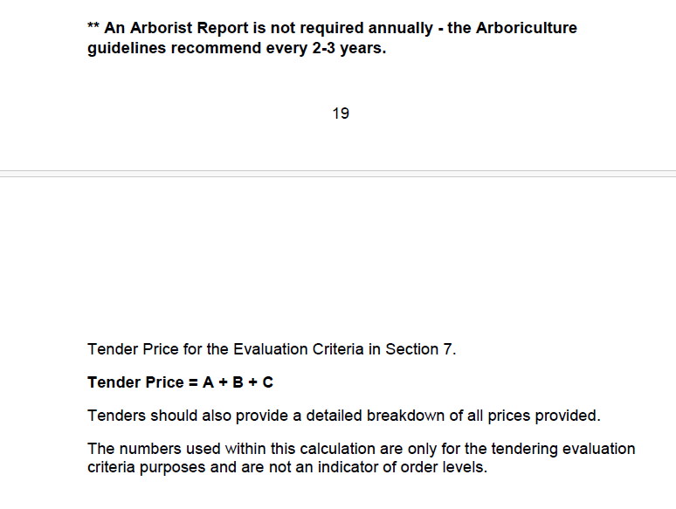
Tree Services Tender - Price Matrix

 | Unit Cost (€) | Qty per Year | 5 Year Cost (€)
Project Costs (A)
Removal of a Specified Tree |  | 5 | -

Pruning of a Specified Tree by 30% |  | 7 | -

Removal of Tree Stump & Ground Restoration |  | 2 | -

RTE Tree Survey Costs (B)
Detailed Tree Risk & Analysis Assessment Report
Year 1 |  | 1 | -
Year 2 |  | 1 | -
Year 3 |  | 1 | -
Year 4 |  | 1 | -
Year 5 |  | 1 | -

Tender 5 Year Cost (€) |  |  | -

